Sheet1
Feature ID | Features/Function |  | Assign to CX821/771 Snyc+4.0
 | Name | ASIL Rating | ASIL | Ref.Spec
F000864/B | Power Release/Cinch Doors (CX821) | A | QM | 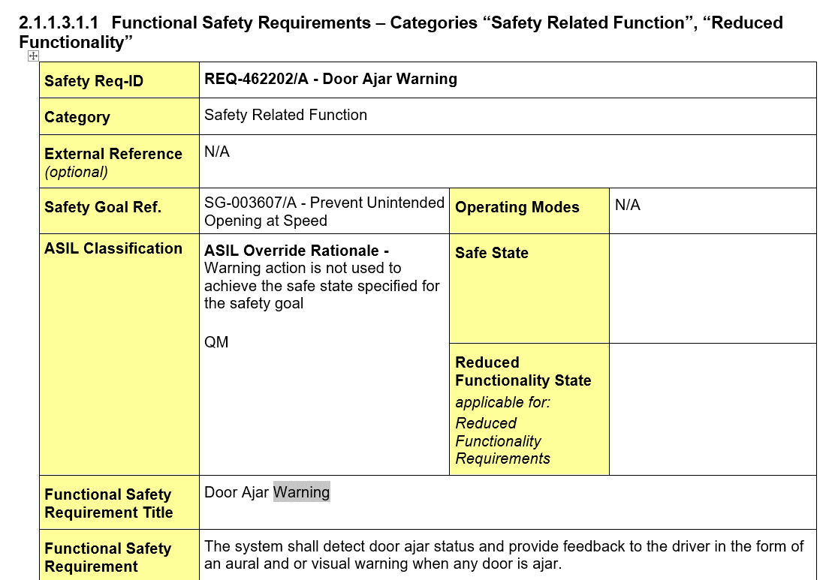
F000162/F | Power Open/Close Liftgate | A | QM
/ | Driver Takeover Indication | A | A | detail see SRS
/ | Brake Telltale | B | B | detail see SRS
/ | ESC Telltale | A | A | detail see SRS
/ | Amber airbag warning | B | B | detail see SRS
/ | Display the Range To Display Commanded by the TCM | A | A | detail see SRS

